Sheet1
Dubai package does not have multiple cities

Screen 1 | Click on Internation Menu > click on "Dubai" sub menu. Show Package details with Side filters

Screen 2 | Package Check price details screen



 | Dubai package does not have multiple cities
 | We will have multiple Hotel selection

 | Hotels

 | # of Hotels | Dropdown | 1,2,3

 | Hotel 1 | Delux Hotel | # of days | Depends upon the selection of # of hotels

 | Hotel 2 | Premium Hotel | # of days

 | Site seeing

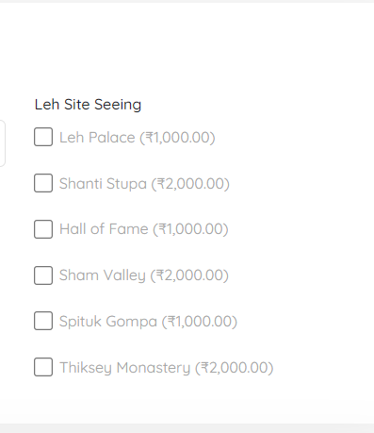

 | Other details

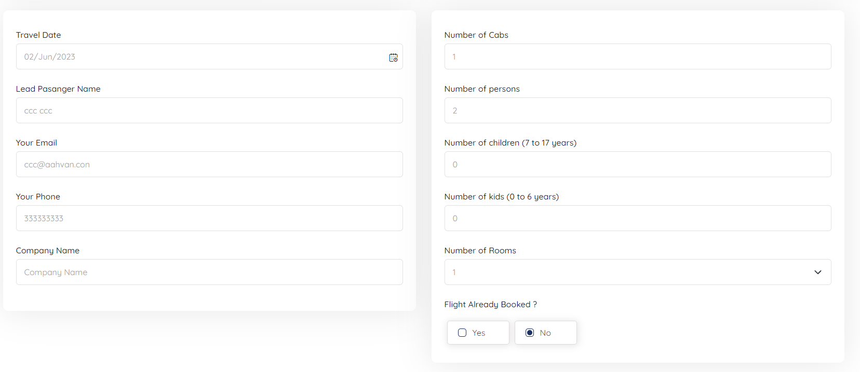

Note | Probably Pickup and Drop will be different for each site seeing

